tab
 | Brand | Ref | EAN | Description | QTY | Retail | Price
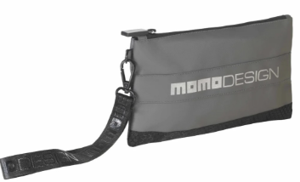 | MOMO Design | P510113 | 5054903907282 | Pouch | 51,914 | € 24.99 | € 2.20
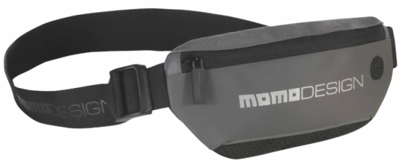 | MOMO Design | P510114 | 5054903907329 | Sling Bag | 138,831 | € 39.99 | € 3.50
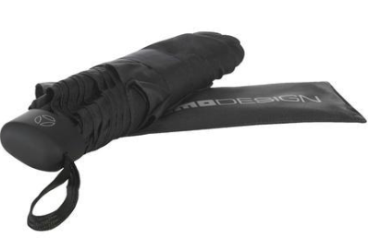 | MOMO Design | P510115 | 5054903907367 | Foldable Umbrella | 12,911 | € 49.99 | € 4.59
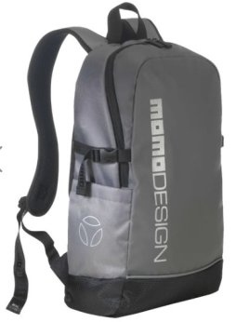 | MOMO Design | P510116 | 5054903907404 | Backpack | 33,714 | € 69.99 | € 12.00
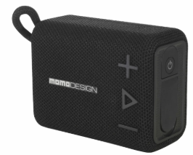 | MOMO Design | P510169 | 5054903909521 | Bluetooth Speaker | 1,018 | € 59.99 | € 11.80
 |  |  |  |  | 238,388

